Q1
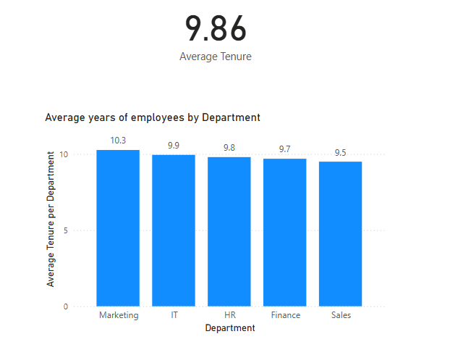
Average Tenure per Department =
CALCULATE(
AVERAGEX(
EmployeeData,
DATEDIFF(
EmployeeData[StartDate],
TODAY(),
YEAR
)
),
ALLEXCEPT(EmployeeData, EmployeeData[Department]),
ISBLANK(EmployeeData[EndDate])
)

Q2
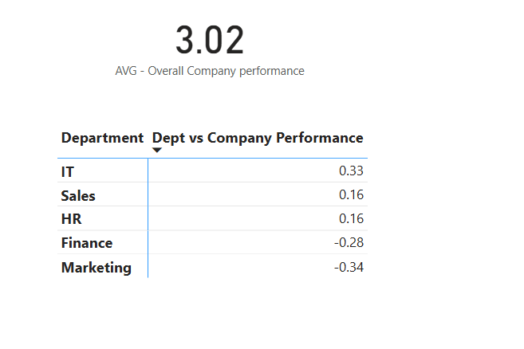
Dept vs Company Performance =
CALCULATE(
AVERAGE(EmployeeData[PerformanceRating]),
ALLEXCEPT(EmployeeData, EmployeeData[Department])
)
-
[Overall Company performance Avg]

